Sheet1
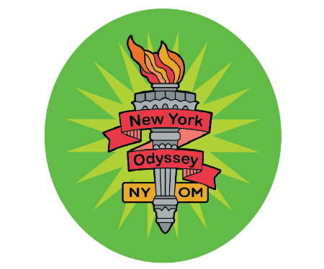
 |  | 2024 INVOICE

 |  | New York
 |  | Odyssey of the Mind
 |  | State Tournament

 |  |  |  | ____/____

Membership Name:__________________
Membership #:______________________
 | Problem (1-5):_______
 | Division (1-3):_______

 |  |  |  | Item cost | Total

 | Team Fee |  | 1 | $225 | $225

 | Amount Due |  |  |  | $225

Due by April 13, 2024

Pay by credit card at www.nyodyssey.org/payment-state-tournament

If paying by check, make payable to "NYSOMA" and mail to:

 | NYSOMA
 | c/o Jean Oliverio
 | PO Box 1431
 | Ellicottville, NY 14731

Payment is required before team may compete
Pay prior to State Tournament by mail/online OR at Team Registration, April 12th-13th
A Purchase Order does NOT constitute payment

At Team Registration, if there is no record of payment, the coach will be required to pay
Payment will be refunded when the School District’s payment is received

